RCUH SRA Maximum Allowable Calc
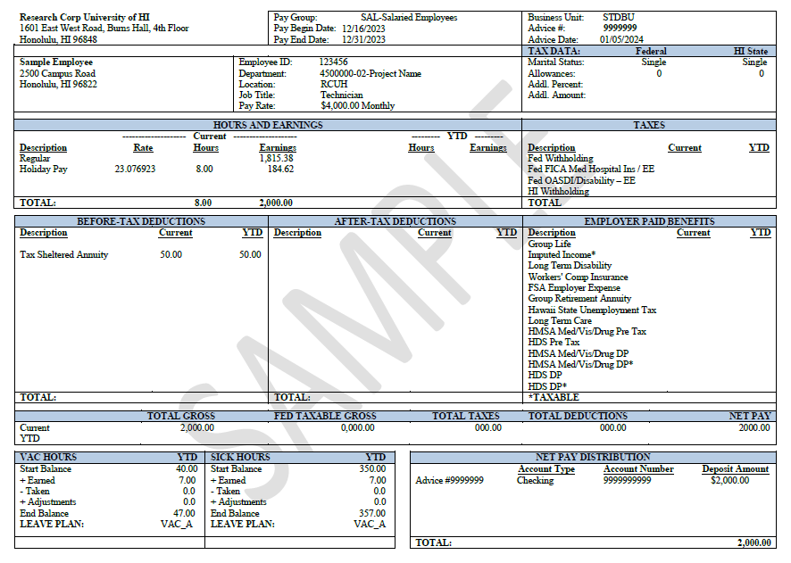
B
A
C
A
B
 | RCUH SRA Maximum Allowable Calculator
 | This is for Tax Year 2024 (12/16/2023-12/15/2024)
 | To estimate your Maximum Allowable Contribution for the Supplemental Retirement Annuity (SRA) 403(b), please access your latest Pay Statement via RCUH Employee Self-Service (https://www.rcuh.com/) > Payroll and Compensation > View Pay Statement. Fill out the information requestd in the yellow highlighted cells.
 | WANT TO LEARN MORE? If you would like to further explore your Pay Statement, please visit our Benefits Spotlight Series: Understanding Your Pay Statement: https://www.rcuh.com/work/benefits/benefits-spotlight-series/

 | Age of Employee by 12/31/2024
 | Maximum Allowable for 2024 Tax Year | $23,000.00
A | Previously Contributed w/ RCUH in Tax Year: refer to YTD (Year to Date) on Pay Statement | $50.00
 | Contributed with prior Employer in Tax Year (if applicable. If not, leave blank.)
B | Curently Contributed w/ RCUH in Tax Year: refer to Current on Pay Statement | $50.00
 | Remaining Total | $22,900.00
C | Pay End Date | 2023-12-31
 | Earliest Requested Effective Date | 2024-01-16
 | Pay Periods left in Tax Year 2024 (12/16/2023-12/15/2024) | 22
 | Max Allowable Contribution per Pay Period (Rounded UP to nearest cent) | $1,040.91

*
 | Formulas
 | Age Max | 49 | Effective Date
 | 2023-12-31 | 22 | 2024-01-16
 | 2024-01-15 | 21 | 2024-02-01
 | 2024-01-31 | 20 | 2024-02-16
 | 2024-02-15 | 19 | 2024-03-01
 | 2024-02-29 | 18 | 2024-03-16
 | 2024-03-15 | 17 | 2024-04-01
 | 2024-03-30 | 16 | 2024-04-16
 | 2024-04-15 | 15 | 2024-05-01
 | 2024-04-30 | 14 | 2024-05-16
 | 2024-05-15 | 13 | 2024-06-01
 | 2024-05-31 | 12 | 2024-06-16
 | 2024-06-15 | 11 | 2024-07-01
 | 2024-06-30 | 10 | 2024-07-16
 | 2024-07-15 | 9 | 2024-08-01
 | 2024-07-31 | 8 | 2024-08-16
 | 2024-08-15 | 7 | 2024-09-01
 | 2024-08-31 | 6 | 2024-09-16
 | 2024-09-15 | 5 | 2024-10-02
 | 2024-09-30 | 4 | 2024-10-16
 | 2024-10-15 | 3 | 2024-11-01
 | 2024-10-31 | 2 | 2024-11-16
 | 2024-11-15 | 1 | 2024-12-01
 | 2024-11-30 | 0 | 2024-12-16

Example
B
A
C
A
B
 | RCUH SRA Maximum Allowable Calculator
 | This is for Tax Year 2024 (12/16/2023-12/15/2024)
 | To estimate your Maximum Allowable Contribution for the Supplemental Retirement Annuity (SRA) 403(b), please access your latest Pay Statement via RCUH Employee Self-Service (https://www.rcuh.com/) > Payroll and Compensation > View Pay Statement. Fill out the information requestd in the yellow highlighted cells.
 | WANT TO LEARN MORE? If you would like to further explore your Pay Statement, please visit our Benefits Spotlight Series: Understanding Your Pay Statement: https://www.rcuh.com/work/benefits/benefits-spotlight-series/

 | Age of Employee by 12/31/2024 | 40
 | Maximum Allowable for 2024 Tax Year | $23,000.00
A | Previously Contributed w/ RCUH in Tax Year: refer to YTD (Year to Date) on Pay Statement | $50.00
 | Contributed with prior Employer in Tax Year (if applicable. If not, leave blank.)
B | Curently Contributed w/ RCUH in Tax Year: refer to Current on Pay Statement | $50.00
 | Remaining Total | $22,900.00
C | Pay End Date | 2023-12-31
 | Earliest Requested Effective Date | 2024-01-16
 | Pay Periods left in Tax Year 2024 (12/16/2023-12/15/2024) | 22
 | Max Allowable Contribution per Pay Period (Rounded UP to nearest cent) | $1,040.91

*
 | Formulas
 | Age Max | 49 | Effective Date
 | 2023-12-31 | 22 | 2024-01-16
 | 2024-01-15 | 21 | 2024-02-01
 | 2024-01-31 | 20 | 2024-02-16
 | 2024-02-15 | 19 | 2024-03-01
 | 2024-02-29 | 18 | 2024-03-16
 | 2024-03-15 | 17 | 2024-04-01
 | 2024-03-30 | 16 | 2024-04-16
 | 2024-04-15 | 15 | 2024-05-01
 | 2024-04-30 | 14 | 2024-05-16
 | 2024-05-15 | 13 | 2024-06-01
 | 2024-05-31 | 12 | 2024-06-16
 | 2024-06-15 | 11 | 2024-07-01
 | 2024-06-30 | 10 | 2024-07-16
 | 2024-07-15 | 9 | 2024-08-01
 | 2024-07-31 | 8 | 2024-08-16
 | 2024-08-15 | 7 | 2024-09-01
 | 2024-08-31 | 6 | 2024-09-16
 | 2024-09-15 | 5 | 2024-10-02
 | 2024-09-30 | 4 | 2024-10-16
 | 2024-10-15 | 3 | 2024-11-01
 | 2024-10-31 | 2 | 2024-11-16
 | 2024-11-15 | 1 | 2024-12-01
 | 2024-11-30 | 0 | 2024-12-16

